Overview
Format: Key Highlights & Process Flow:
The process flow and format for form as described below.
CIBIL Details Form Overview | Date: 24/11/16 Doc Version 1.05
Name of Form: | CIBIL Details Form

Landing Screen
1. The user can view the CIBIL details of the borrower by entering relevant information in the filters. There will be two filters for the user to select from -
a. Cust ID and Customer Name
b. Deal Number
2. Based on the search criteria specified in the CIBIL Details form the application will fetch the CIBIL reports from the database corresponding to the entered Customer Name and Deal No.
Background & Overview: | This form enables user to view and confirm CIBIL scores of the individuals associated with a company and view the company's CIBIL report and assign a rating to it. The form displays key details from the CIBIL reports of the company, its promoters & guarantors and on basis of these details the user takes the decision to give the rating (Positive, Negative or Referred). The values displayed in the form are read from the PDF files uploaded via a PDF extractor. These values are not editable.
 | The List of Details (referred to as CIBIL Details) to be displayed as per the mail sent from client (Samaresh) on 12/08/16. Captured and displayed in the next sheet - Detailed Format Sheet.
 | Further processing of CIBIL scores in reports/forms only possible when CIBIL Details are confirmed on the CIBIL form.
 | The form provides a mechanism for viewing, downloading CIBIL reports (original pdf files).
Landing Screen - One Borrower report found
If one report is found for the selected borrower, the user will be able to view -
a. The borrower CIBIL Summary report, along with the options - Show More Details, Confirm Details and View Company CIBIL Report.
b. All the individuals' CIBIL score (Promoters and/or Guarantors will be mentioned next to the individual name. The user will have options -Show More Details and View Individual Report.
c. Comments section is provided as a collaboration tool for the users to highlight relevant details. It will be enabled only when the Confirm Details has been done for all the individuals and the borrower.
d. Select rating option to assign rating to the borrower. This dropdown will be enabled only when the Comapny details are filled.
Landing Screen - No Borrower report found
If no report is found, the landing screen will show a disabled borrower summary table with a message displaying "No Report Available".
The other sections on the landing screen remain the same as the landing screen for one CIBIL report found.
Landing Screen - Multiple Borrower reports found
If multiple reports are found, a pop-up message must appear on the borrower summary report table stating "Multiple reports available, please enter information manually". The pop-up message box has two buttons -
a. View available reports - All the available reports must open in multiple pop-up windows.
b. Enter Data - Should open another pop-up screen with the empty summary report table and enable the user to copy/paste the information required to be displayed on the landing screen.
Enter data button will open a pop-up that has -
a. Editable / empty borrower report summary table
b. Save Draft button - The user can save semi-filled report. These changes will not be seen on the main landing screen, but will be reflected on the Enter data pop-up for a returning user to resume entering the required information.
c. Submit / Re-enter Details button - Before any details are submitted, the button title will be 'Submit Details'. Clicking on this button will save and display the information on main landing screen. The Submit Details button title will change to 'Re-enter Details' for a returning user. On clicking Re- enter Details button, the table will be editable for the user to update the data. The title of the button will toggle to 'Submit Details' after Re-enter Details button is clicked.
After Submit Details is done on the Enter data pop-up, the data will be displayed on the main landing screen.
For a returning user, the landing screen will show the data submitted previously and the pop-up will display text "Data entered manually, would you like to update?" along with the buttons View available reports and Enter Data. Rest of the functionality remains the same as described above.
The 'Show Details' button below the borrower CIIBIL summary report page will be disabled for the scenario of Multiple reports found. The other sections on the landing screen remain the same as the landing screen for one CIBIL report found.
 | The form provides a comment section where the user can input comments.
 | Client has confirmed that CIBIL reports are available in standard formats and for the purposes of this application we will be using Transunion Version 1.0 of reports. These standard formats specified in CIBIL reports sent by client (names listed in Reference Document List below)
 | Special Cases: At times a company could have multiple CIBIL reports that are thrown up for the same date.

Common sections explained in
Landing Screen - One Report Found
Data Outputs & Process Flow: | 1. Company CIBIL Details Data Capture: Client will upload CIBIL reports of borrowers (company) and Individuals onto EACIIT server folder via Filezilla tool into separate folders for company and individuals.
 | 2. Individual CIBIL Details Data Capture: This will be done in future phase as the CIBIL API is not available yet. The application will call CIBIL reports of individuals (promoters & guarantors) directly from CIBIL API using the search criteria defined on 12/08/16 (Reproduced in Detailed Format Sheet). While this is preferred option it may be possible that in Phase I these too may have to be uploaded by client.
 | 3. Syncing of Borrower CIBIL Reports to form: Cust ID and Deal Number will be used to identify borrower. App will search for CIBIL reports of borrower (company) using the search criteria defined in detailed format sheet. (Fields highlighted as search criteria in CIBIL Details form are used to pull data from the extracted database of extracted details).
 | 4. Display/Input of Borrower CIBIL Details: If no report found for company as per defined criteria then message would be displayed "No Report Available". If one report is found the CIBIL details would be displayed on screen Else, In case multiple reports uploaded for same borrower then a pop-up would appear stating "Multiple Reports available, please enter information manually" along with "View available Reports" and "Enter Data" buttons. The user can view all the available reports, which will open in separate tabs in browser.
 | 5. Entering CIBIL Details for Borrower Manually: If multiple reports for borrower are available then CIBIL details have to be entered manually. The application would provide the multiple reports in new tabs and copy/paste the information they want on manual entry screen. The user can either "Submit Details" to view the entered details on the borrower report or "Save Draft" to save an intermediate version of the borrower report. A returning user can resume with entering data on the editable report.
 | 6. Syncing & Display of Individual CIBIL Reports: Cust ID and Deal Number will be used to identify promoters/guarantors. App will search for CIBIL reports of these entities in application database using the search criteria defined in detailed format sheet. The CIBIL Details will be displayed accordingly. The system will always use the most recent available file in the system comparing from the report generated timestamp available on the PDFs. If multiple CIBIL files available for any individual the system will populate details from the most recently generated CIBIL report. However once data versioning is implemented - the CIBIL details will get locked and only associated file chosen at the time of confirm/freeze would be displayed.
 | 7. Show More Details : The user can view additional CIBIL details of the borrower or individuals by clicking on "More..." buttons provided for each of the individuals and the borrower. The user can view the additional details in extended screen below the landing screen.
 | 8. Actions after CIBIL Details Populated: User will have options to confirm the Individual's detail from the Individual Details section (incase the Company report isn't available) and also Confirming the entire CIBIL details form using the Confirm button.
Show More Details
On clicking the Show More Details button, the user will be able to view additional details about the Borrower / Individual obtained from the CIBIL reports listed in a form below the landing screen.
 | 10. Select Rating: User can select the rating for the borrower after viewing the details on the CIBIL form. Rating can be chosen from the drop-down option of - Positive, Negative, Referred.
View/Download CIBIL Reports
Opens the CIBIL reports for the borrower and the individuals in separate windows. The user can view/download the CIBIL reports as required.
Confirm Details
On clicking the Confirm button on top, the user will be able to confim the CIBIL details about the Borrower / Individual obtained from the CIBIL reports.
On clicking Confirm button for individuals the user will be able to Confirm the CIBIL scores for Promoters /Guarantors
When 'Confirm Details' is done for the borrower and all individuals
Other Forms/Reports
 | 11. Edit CIBIL Details: User can edit the CIBIL details (if the user feels there is any discrepancy) from 'Edit CIBIL Details' window under Administrator tab on main menu. The CIBIL details from database flows to both CIBIL Form and 'Edit CIBIL Details' window. If user has confirmed the CIBIL scores/form the CIBIL details on 'Edit CIBIL Details' window would become non- editable. User will have to click Re-Enter on CIBIL form to edit the details from 'Edit CIBIL Details' window. After editing and saving, the details will be updated on database and reflected on CIBIL Screen.
 | 12 Comments Box: If confirmation of CIBIL details done the user can input comments here. Could try and incorporate comment trail here.

CIBIL Transitory Process Flow
Upload CIBIL PDFs
Data Repository
X10 Application
Edit CIBIL Details
Data Sources & Inputs: | 1. Customer Application (CA) Form: A) Company details and promoter/guarantor details captured in CA will be used to search for individual CIBIL reports; B) The company, promoter & guarantor section of CIBIL Details form will be mapped to entries made in CA form; C) Cust ID & Name; D) Deal No
 | 2. CIBIL Reports to be called from CIBIL Server (To be done at later stage) - To capture CIBIL details of promoters & guarantors.
 | 3. PDF Uploads: CIBIL reports of company and individuals uploaded on filezilla by client. The app will search for Transunion 1.0 version of report
FileZilla
 | 4. Manual Data Entry: A) Comments Section; B) If more that one CIBIL report uploaded for same borrower then user does manual entry of CIBIL details; C) Edit CIBIL Details under Administrator tab.
Database
CIBIL Details

Functionality: | A) Dynamic form - The names of the promoters, guarantors & company should come as pre-mapped entries and detailed sections in the form. Number of entries and detailed sections would depend on number of names.
 | B) Pre-populated sections - Information in PDF & Scanned documents are read using OCR technology and filled into form.
 | C) CIBIL Report Availability Status & View CIBIL reports - If CIBIL report not available for an entity the section for that entity should state information not available and all available and scanned PDF files can be seen on new tab in browser after clicking Open CIBIL file.
 | D) Prompt For Manual Entry - If more than one CIBIL report generated for same search criteria for a company then user should get prompt for manual entry of CIBIL details. Also all CIBIL Reports for the company should be displayed for viewing and user should be provided functionality to populate manual entry section by copy/pasting from the displayed reports
 | E) Confirm - If CIBIL scores are confirmed then data on CIBIL form will flow to other forms/reports.
 | F) Edit CIBIL Details - This screen is added to edit the CIBIL details in case any value not being scanned correctly from PDF files for individuals. The file is scanned using OCR technology and the key data fields extracted are stored in database. The matching is done using Customer Name, Pan Card Number and DOB. The filename is stored in the system with the report upload timestamp (IST) appended to filename. In case multiple reports are loaded on system for same individual the latest generated report is used to populate data in CIBIL form. If the Promoter/Guarantor not present in CA and the CIBIL file is uploaded, then the extracted data will be displayed on transitory screen. When the individul details are uploaded on CA it would automatically get mapped to the individual and would be displayed with the CIBIL score on CIBIL form.
 | G) Display Minimum CIBIL Score : App will compare the CIBIL scores of all main promoters selected here and display the lowest score. If CIBIL score for any of the promoter selected shows as '0' (case when CIBIL File for that Promoter not uploaded) it will be ignored in Minimum CIBIL Score comparison. The next lowest score would be displayed as minimum CIBIL Score.
 | H) Upload PDFs on EACIIT Server Folder via Filezilla - Filezilla tool is used to upload CIBIL files for company and individuals on the EACIIT server folder. The following folders are divided into two categories : Company & Individual. i. Upload - User will upload files to the corresponding folder.The system will start processing these files automatically. ii. Process - The files will be trnsferred to thsi folder while they are being processed. iii. SuccessUpload - Files that are successfully scanned and stored to the database are transferred to this folder. iv. Failed - Files that couldn't be scanned are transferred to this folder. Sometimes user may upload company files in individual's folder by mistake and vice-versa. In all such cases the file would be transferred to the Failed folder.

User Rights: | Users have edit rights for Select Rating; Comments section and Company CIBIL Details sections if more than one CIBIL report generated for company for same search criteria. Only Admin or senior user will have access rights to edit CIBIL scores on Edit CIBIL Details screen.

User Security Matrix | TBD

Periodicity | On Demand

Historical Treatment | TBD in consultation with client

Referred Files | Brand Eyes Corporate Infotech Creative peripheral Cygnus Inflow Intellic Mahavir Massif Megabyte MegaCompu

Wireframes
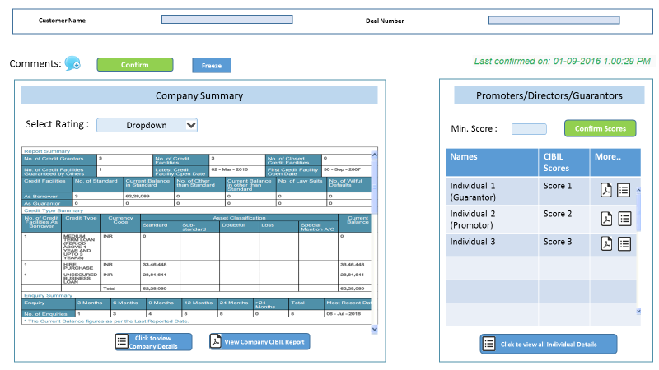
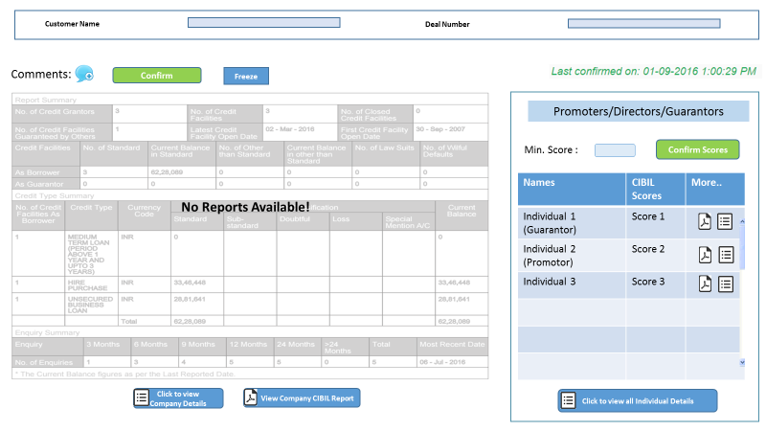
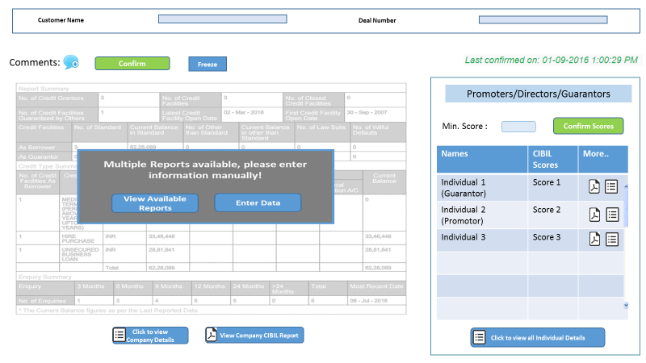
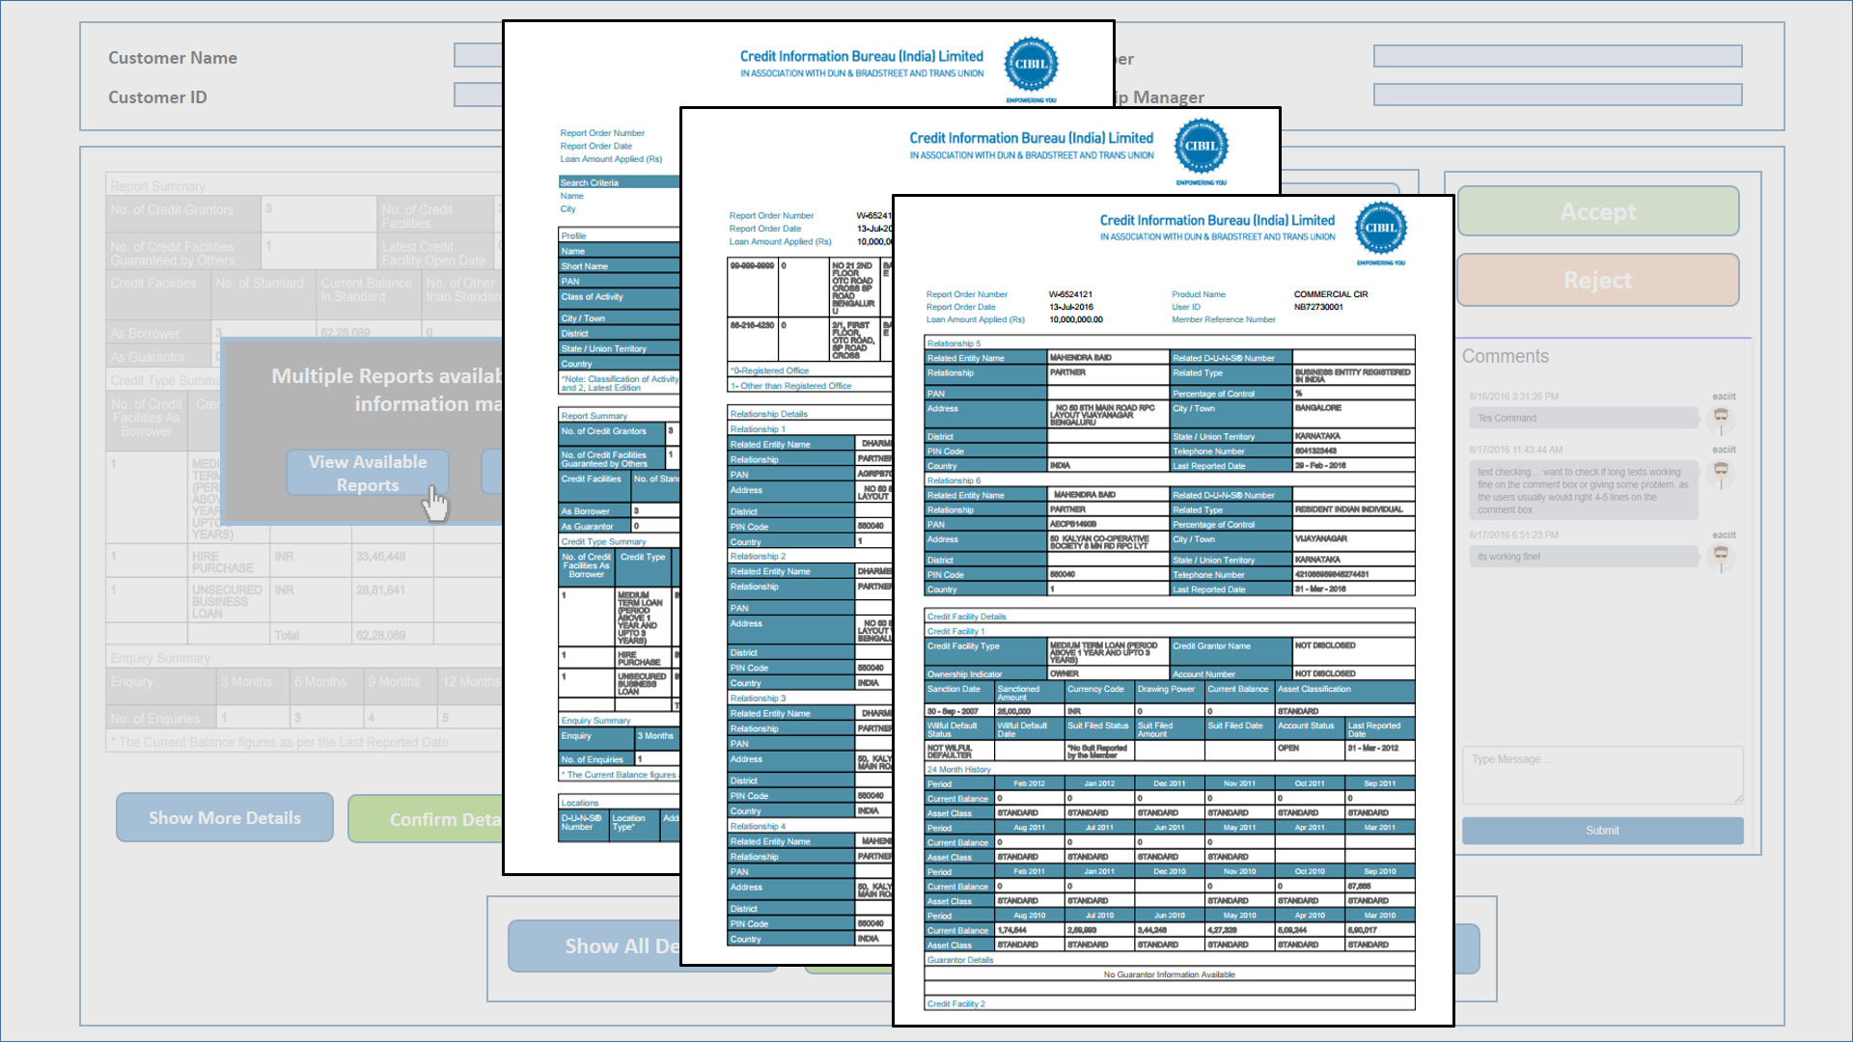
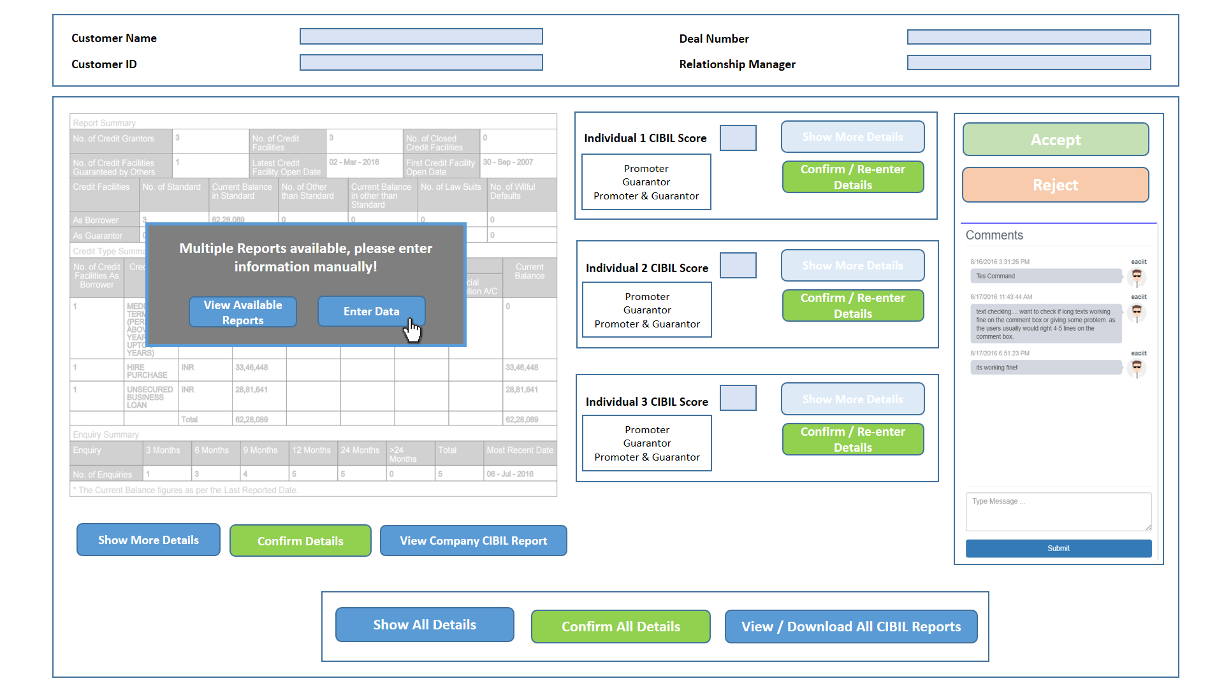
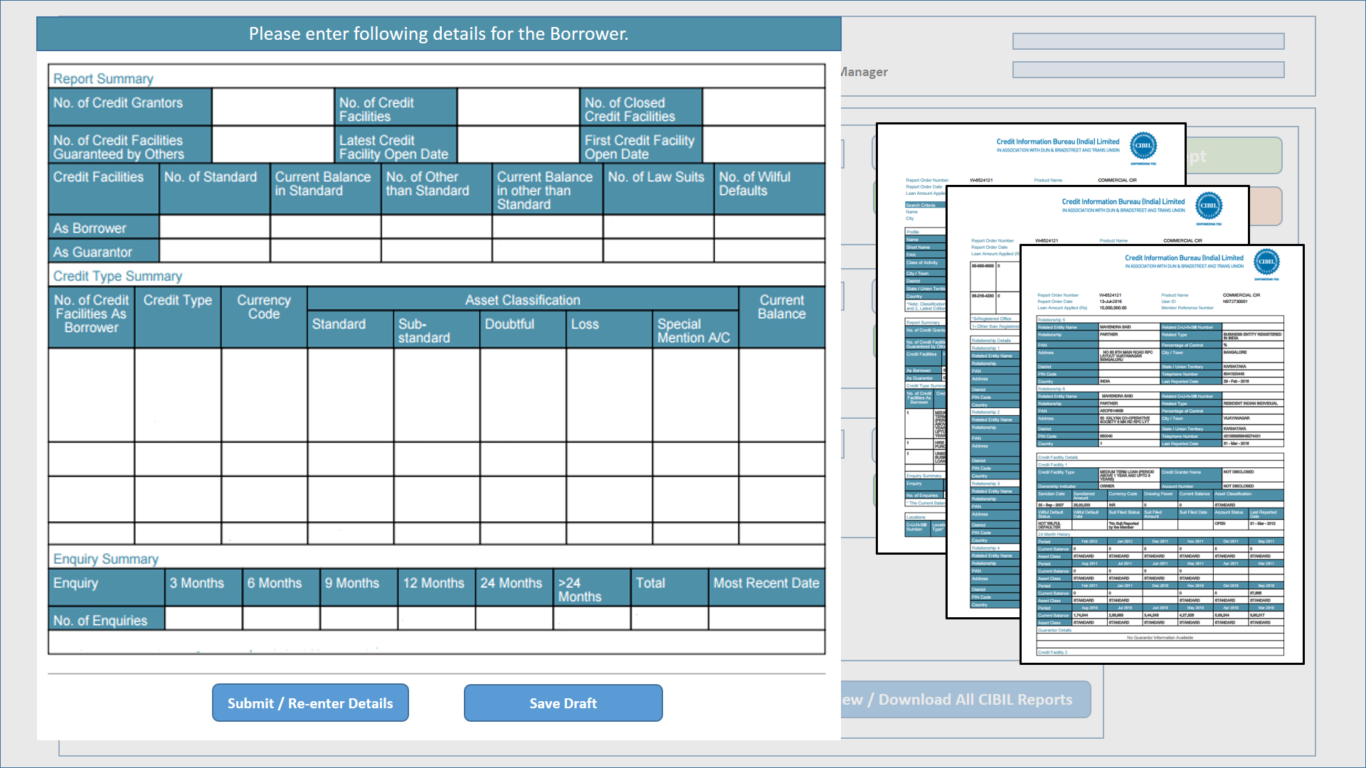
One Borrower Report Found
No Borrower Report Found
Multiple Borrower Reports Found

